Contents
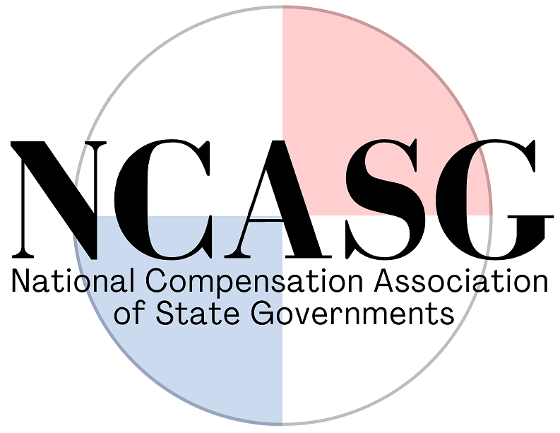 National Compensation Association of State Governments 2022 Pay Structures and Practices Survey

Table | 1……… | Groups for Full-Time Employees
 |  | 1A Addendum (Nebraska)
Table | 2……… | Compensation Structures
 |  | 2A Addendum (Delaware)
Table | 3……… | Compensation Structure Mechanics
Table | 4……… | Compensation Structure Adjustments
Table | 5……… | Cost of Living or General Increases
Table | 6……… | Step Increases
Table | 7……… | Merit Pay Increases
Table | 8……… | Longevity Pay
 |  | 8A Addendum (California)
 |  | 8B Addendum (Illinois)
Table | 9……… | Premium Pay
 |  | 9A Addendum (Illinois)
 |  | 9B Addendum (Kentucky)
Table | 10……… | Other Types of Employee Pay
Table | 11……… | Pay for Performance
Table | 12……… | Overtime Pay
Table | 13……… | Promotion Pay
Table | 14……… | Philosophies for Keeping Ranges and Actual Pay Competitive with Market
Table | 15……… | Factors for Base Pay Increases
Table | 16……… | Paying Outside of the Established Pay Range
Table | 17……… | Total Compensation Comparison
Table | 18……… | Comp Initiatives, Research and Projects
Table | 19……… | Contact Information and Feedback

THANK YOU TO THE FOLLOWING 31 STATES FOR YOUR PARTICIPATION LAST YEAR!!!

Alabama |  | Missouri
Arizona |  | Montana
California |  | Nebraska
Colorado |  | New York
Delaware |  | North Carolina
Georgia |  | North Dakota
Hawaii |  | Oklahoma
Idaho |  | Oregon
Illinois |  | South Carolina
Indiana |  | South Dakota
Iowa |  | Tennessee
Kansas |  | Utah
Kentucky |  | Washington
Louisiana |  | West Virginia
Minnesota |  | Wisconsin
 |  | Wyoming

